Floyd-Marshal
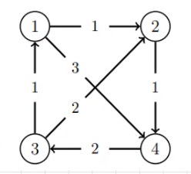

D0 | 1 | 2 | 3 | 4 |  | Pi0 | 1 | 2 | 3 | 4
1 | 0 | 1 | inf | 3 |  | 1 | 0 | 1 | 0 | 1
2 | inf | 0 | inf | 1 |  | 2 | 0 | 0 | 0 | 2
3 | 1 | 2 | 0 | inf |  | 3 | 3 | 3 | 0 | 0
4 | inf | inf | 2 | 0 |  | 4 | 0 | 0 | 4 | 0

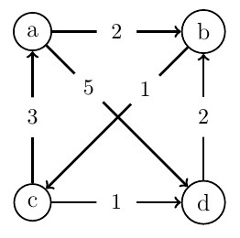

D0 | a | b | c | d |  | Pi0 | a | b | c | d
a | 0 | 2 | inf | 5 |  | a | 0 | a | 0 | a
b | inf | 0 | 1 | inf |  | b | 0 | 0 | b | 0
c | 3 | inf | 0 | 1 |  | c | c | 0 | 0 | c
d | inf | 2 | inf | 0 |  | d | 0 | d | 0 | 0

Da | a | b | c | d |  | Pa | a | b | c | d
a | 0 | 2 | inf | 5 |  | a | 0 | a | 0 | a
b | inf | 0 | 1 | inf |  | b | 0 | 0 | b | 0
c | 3 | 5 | 0 | 1 |  | c | c | a | 0 | c
d | inf | 2 | inf | 0 |  | d | 0 | d | 0 | 0

Db | a | b | c | d |  | Pb | a | b | c | d
a | 0 | 2 | 3 | 5 |  | a | 0 | a | b | a
b | inf | 0 | 1 | inf |  | b | 0 | 0 | b | 0
c | 3 | 5 | 0 | 1 |  | c | c | a | 0 | c
d | inf | 2 | 3 | 0 |  | d | 0 | d | b | 0

Dc | a | b | c | d |  | Pc | a | b | c | d
a | 0 | 2 | 3 | 4 |  | a | 0 | a | b | c
b | 4 | 0 | 1 | 2 |  | b | c | 0 | b | c
c | 3 | 5 | 0 | 1 |  | c | c | a | 0 | c
d | 6 | 2 | 3 | 0 |  | d | c | d | b | 0

Dd | a | b | c | d |  | Pd | a | b | c | d
a | 0 | 2 | 3 | 3 |  | a | 0 | a | b | c
b | 4 | 0 | 1 | 2 |  | b | c | 0 | b | c
c | 3 | 3 | 0 | 1 |  | c | c | d | 0 | c
d | 6 | 2 | 3 | 0 |  | d | c | d | b | 0

 |  |  |  |  | u:d | v:a | w:c
 |  |  |  |  | a

Warshall
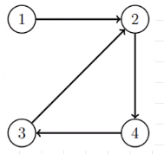

T0 | 1 | 2 | 3 | 4
1 | 1 | 1 | 0 | 0
2 | 0 | 1 | 0 | 1
3 | 0 | 1 | 1 | 0
4 | 0 | 0 | 1 | 1

T1 | 1 | 2 | 3 | 4
1 | 1 | 1 | 0 | 0
2 | 0 | 1 | 0 | 1
3 | 0 | 1 | 1 | 0
4 | 0 | 0 | 1 | 1

T2 | 1 | 2 | 3 | 4
1 | 1 | 1 | 0 | 1
2 | 0 | 1 | 0 | 1
3 | 0 | 1 | 1 | 1
4 | 0 | 0 | 1 | 1

T3 | 1 | 2 | 3 | 4
1 | 1 | 1 | 0 | 1
2 | 0 | 1 | 0 | 1
3 | 0 | 1 | 1 | 1
4 | 0 | 1 | 1 | 1

T4 | 1 | 2 | 3 | 4
1 | 1 | 1 | 1 | 1
2 | 0 | 1 | 1 | 1
3 | 0 | 1 | 1 | 1
4 | 0 | 1 | 1 | 1

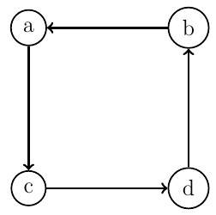
T0 | a | b | c | d
a | 1 | 0 | 1 | 0
b | 1 | 1 | 0 | 0
c | 0 | 0 | 1 | 1
d | 0 | 1 | 0 | 1

Ta | a | b | c | d
a | 1 | 0 | 1 | 0
b | 1 | 1 | 1 | 0
c | 0 | 0 | 1 | 1
d | 0 | 1 | 0 | 1

Tb | a | b | c | d
a | 1 | 0 | 1 | 0
b | 1 | 1 | 1 | 0
c | 0 | 0 | 1 | 1
d | 1 | 1 | 1 | 1

Tc | a | b | c | d
a | 1 | 0 | 1 | 1
b | 1 | 1 | 1 | 1
c | 0 | 0 | 1 | 1
d | 1 | 1 | 1 | 1

Td | a | b | c | d
a | 1 | 1 | 1 | 1
b | 1 | 1 | 1 | 1
c | 1 | 1 | 1 | 1
d | 1 | 1 | 1 | 1

